Lab Q1
Automobile Generators. Westside Auto purchases a component used in the manufacture of automobile generators directly from the supplier. Westside’s generator production operation, which is operated at a constant rate, will require 1000 components per month throughout the year (12,000 units annually). Assume that the ordering costs are $25 per order, the unit cost is $2.50 per component, and annual holding costs are 20% of the value of the inventory. Westside has 250 working days per year and a lead time of 5 days. EOQ
1. What is the EOQ for this component? 1095.4
2. What is the reorder point? 240
3. What is the cycle time? 23.8 days
4. What are the total annual holding and ordering costs associated with your recommended EOQ?
Annual Hodling Cost $ 273.86
Annual Ordering Cost $273.86
Total Annual Cost $ 547.72
EOQ Model Inputs |  | Value
Annual Demand (D) | Demand | 12000
Unit Cost (C) | Unit_Cost | 2.5
Holding cost rate (I) | Inv_rate | 0.2
Days per year | days | 250
lead time | Lead_Time | 5

Intermediate Calculations
Unit Hoding Cost (Ch) | Ch | 0.5
Unit Ordering Cost (Co) | Co | 25
demand per day (d) | dailyDemand | 48
reorder point | Reorderpoint | 240

Economic ordering Quanity
Solution (Q*) | EOQ | 1095.4

Model outputs
Annual Hodling Cost | AnHolding | $273.86
Annual Ordering Cost | AnOrdering | $273.86
Total Annual Cost | TotalCost | $547.72
Number of Cycles per Year | NumCycles | 11.0 | orders per year
Cycle time | CycleTime | 23.0 | days

Lab Q2
Diesel Fuel. The Metropolitan Bus Company (MBC) purchases diesel fuel from American Petroleum Supply. In addition to the fuel cost, American Petroleum Supply charges MBC $250 per order to cover the expenses of delivering and transferring the fuel to MBC’s storage tanks. The lead time for a new shipment from American Petroleum is 10 days; the cost of holding a gallon of fuel in the storage tanks is $0.04 per month, or $0.48 per year; and annual fuel usage is 150,000 gallons. MBC buses operate 300 days a year. EOQ
1. What is the optimal order quantity for MBC?
2. How frequently should MBC order to replenish the gasoline supply?
3. The MBC storage tanks have a capacity of 15,000 gallons. Should MBC consider expanding the capacity of its storage tanks?
4. What is the reorder point?
EOQ Model Inputs |  | Value
Annual Demand (D) | Demand2 | 150000
Unit Cost (C) | Unit_Cost2
Holding cost rate (I) | Inv_rate2
Days per year | days2 | 300
lead time | Lead_Time2 | 10

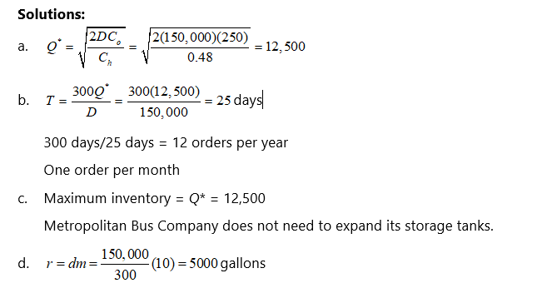
Intermediate Calculations
Unit Hoding Cost (Ch) | Ch2 | 0.48
Unit Ordering Cost (Co) | Co2 | 250
demand per day (d) | dailyDemand2 | 500
reorder point | Reorderpoint2 | 5000

Economic ordering Quanity
Solution (Q*) | EOQ2 | 12500.0

Model outputs
Annual Hodling Cost | AnHolding | $3,125.00
Annual Ordering Cost | AnOrdering | $24.00
Total Annual Cost | TotalCost | $547.72
Number of Cycles per Year | NumCycles | 12.0
Cycle time | CycleTime | 25.0

Lab Q3
Notebook Computers. EL Computer produces its multimedia notebook computer on a production line that has an annual capacity of 16,000 units. EL Computer estimates the annual demand for this model at 6000 units. The cost to set up the production line is $2345, and the annual holding cost is $20 per unit. Current practice calls for production runs of 500 notebook computers each month. Lot Size
What is the optimal production lot size?
How many production runs should be made each year?
What is the recommended cycle time?
Would you recommend changing the current production lot size policy from the monthly 500-unit production runs? Why or why not? What is the projected savings of your recommendation?
Prod Lot Size Inputs
Annual Demand (D) | 6000
Annual Production Rate | 16000
Setup Cost | 2345
Annual Holding Cost per unit (Ch) | 20

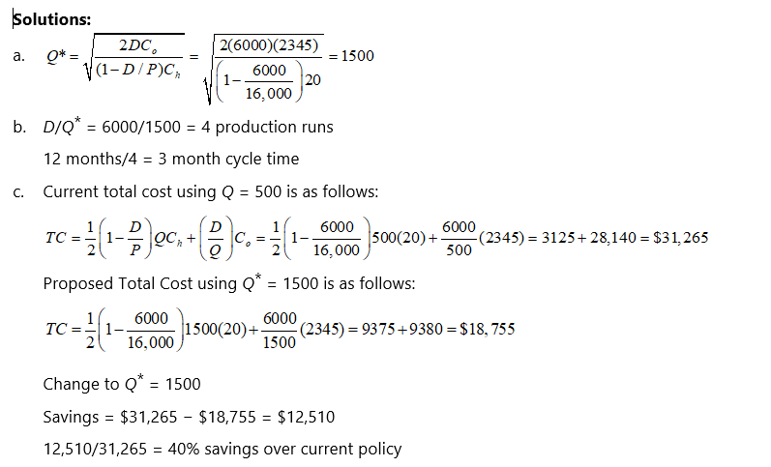
Current Solution with lot size = 500
 | 500
Annual Holding Cost | 3125
Annual Set up Cost | 28140
Annual Total Cost | 31265
# production runs per year | 12
cycle time | 1 month
Economic Prod Lot Size
EOQ | 1500.3999467
Annual Holding Cost | 9377.4996668
Annual Set up Cost | 9377.4996668
Annual Total Cost | 18754.999334
# production runs per year | 4.0
cycle time | 3 month

Discuss results and recommmend a course of action

Lab Q1 (2)
Demand for a popular athletic shoe is nearly constant at 800 pairs per week for a regional division of a national retailer. The cost per pair is $54. It costs $72 to place an order, and annual holding costs are charged at 22% of the cost per unit. The lead time is two weeks.
a.What is the EOQ?
b.What is the reorder point?
c.What is the cycle time?
d.What is the total annual cost?
EOQ Model Inputs |  | Value
Annual Demand (D) | Demand | 41600
Unit Cost (C) | Unit_Cost | 54
Holding cost rate (I) | Inv_rate | 0.22
Days per year | weeks | 52
lead time | Lead_Time | 2

Intermediate Calculations
Unit Hoding Cost (Ch) | Ch | 11.88
Unit Ordering Cost (Co) | Co | 72
demand per day (d) | dailyDemand | 800
reorder point | Reorderpoint | 1600

Economic ordering Quanity
Solution (Q*) | EOQ | 710.1

Model outputs
Annual Hodling Cost | AnHolding | $4,218.00
Annual Ordering Cost | AnOrdering | $4,218.00
Total Annual Cost | TotalCost | $8,435.99
Number of Cycles per Year | NumCycles | 58.6 | orders per year
Cycle time | CycleTime | 0.9 | days
 |  |  | 6.2133775522

